Table 20
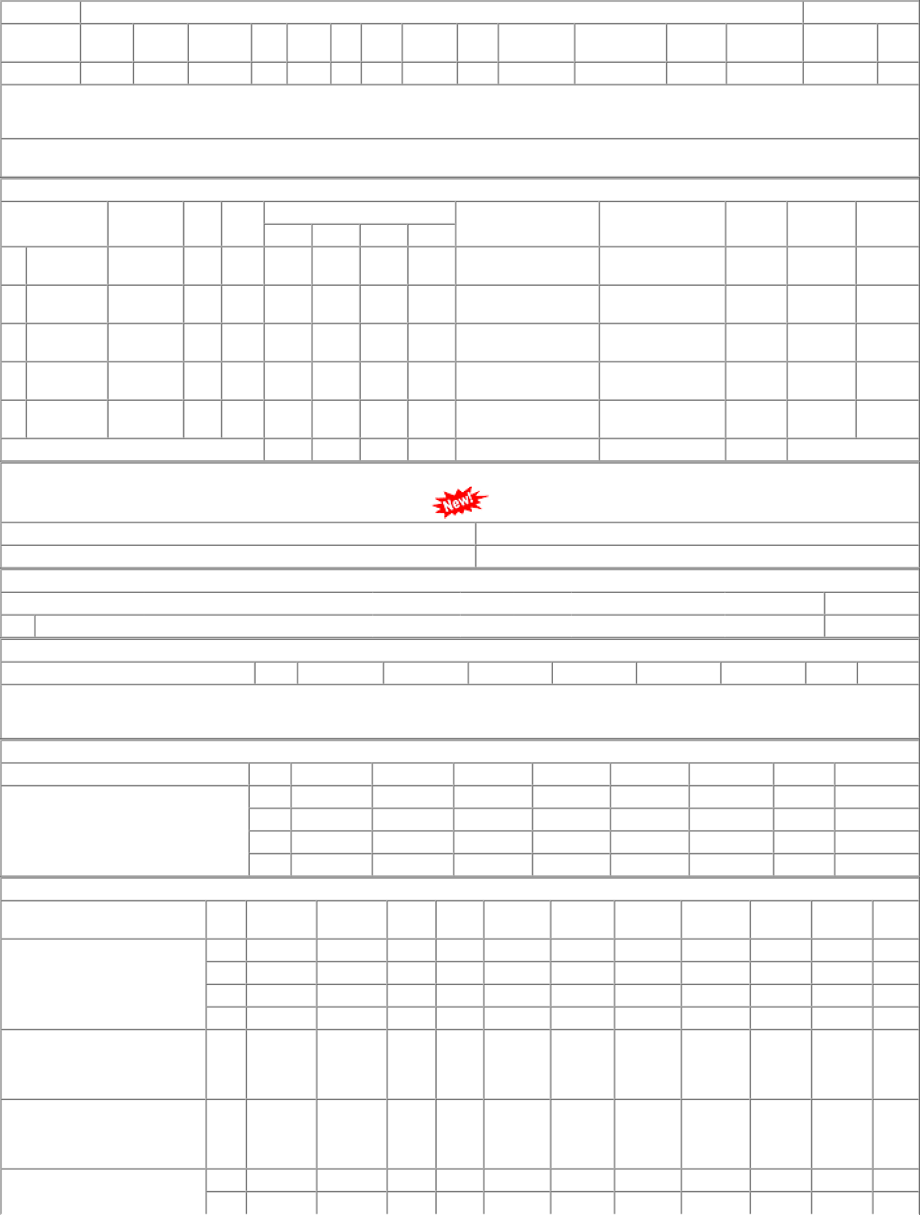
dt.09/06/21 on M/s.SWAN | 002 | BVPW | 280.00 | 278 | Nos. 0 | 0 278 | 2021-12-09 | 27/01/22 OP

